Contact Information
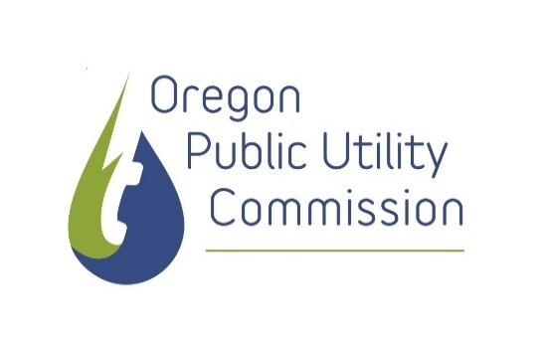

This workbook was developed for use in the Oregon Community Solar Program administered by the Oregon Public Utility Commission. For questions about this workbook, please contact OPUC Staff:
Joe Abraham, Ph.D. (he/him)
Senior Utility Analyst
Oregon Public Utility Commission
201 High Street SE, Salem, OR 97301
(503) 428-0699
joseph.abraham@puc.oregon.gov

